1
MONCLER POLO PIQUE PACKING LIST
TAGLIA POLO SHIRT (SLIM FIT)
COLOUR | SIZES EU |  |  |  |  |  |  |  | PRODUCT CODE | TOTAL | DESCRIPTION
White | SIZES EU | XSMALL | SMALL | MEDIUM | LARGE | XLARGE | 2XARGE | 3LARGE | I10918A7030084556001 | 650 | Cotton 100%
 |  | 0 | 100 | 200 | 200 | 100 | 50 | 0
 |  |  |  |  |  |  |  |  | RETAIL PRICE | 300.00 €
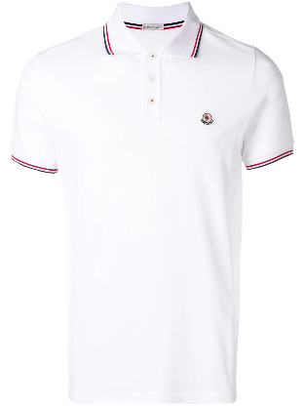

TAGLIA POLO SHIRT (SLIM FIT)
COLOUR | SIZES EU |  |  |  |  |  |  |  | PRODUCT CODE | TOTAL | DESCRIPTION
77X BLUE | SIZES EU | XSMALL | SMALL | MEDIUM | LARGE | XLARGE | 2XARGE | 3LARGE | I10918A703008455677X | 650 | Cotton 100%
 |  | 0 | 100 | 200 | 200 | 100 | 50 | 0
 |  |  |  |  |  |  |  |  | RETAIL PRICE | 300.00 €
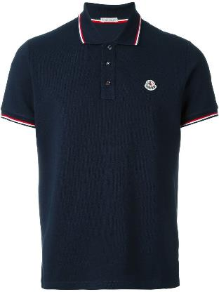

TAGLIA POLO SHIRT (SLIM FIT)
COLOUR | SIZES EU |  |  |  |  |  |  |  | PRODUCT CODE | TOTAL | DESCRIPTION
BLACK | SIZES EU | XSMALL | SMALL | MEDIUM | LARGE | XLARGE | 2XARGE | 3LARGE | I10918A7030084556999 | 650 | Cotton 100%
 |  | 0 | 100 | 200 | 200 | 100 | 50 | 0
 |  |  |  |  |  |  |  |  | RETAIL PRICE | 300.00 €
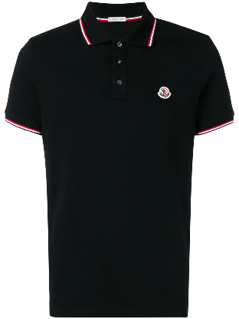

TAGLIA POLO SHIRT (SLIM FIT)
COLOUR | SIZES EU |  |  |  |  |  |  |  | PRODUCT CODE | TOTAL | DESCRIPTION
796 BLUE | SIZES EU | XSMALL | SMALL | MEDIUM | LARGE | XLARGE | 2XARGE | 3LARGE | I20918A7030084556876 | 650 | Cotton 100%
 |  | 0 | 100 | 200 | 200 | 100 | 50 | 0
 |  |  |  |  |  |  |  |  | RETAIL PRICE | 300.00 €

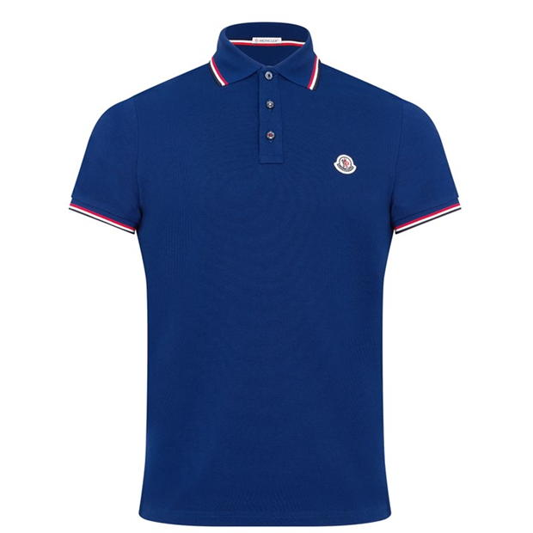

TAGLIA POLO SHIRT (SLIM FIT)
COLOUR | SIZES EU |  |  |  |  |  |  |  | PRODUCT CODE | TOTAL | DESCRIPTION
876 GREEN | SIZES EU | XSMALL | SMALL | MEDIUM | LARGE | XLARGE | 2XARGE | 3LARGE | J10918A7030084556876 | 650 | Cotton 100%
 |  | 0 | 100 | 200 | 200 | 100 | 50 | 0
 |  |  |  |  |  |  |  |  | RETAIL PRICE | 300.00 €
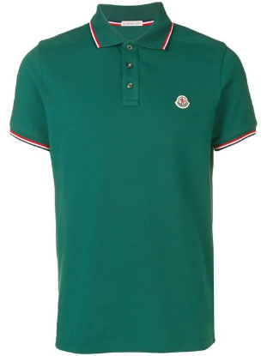

TAGLIA POLO SHIRT (SLIM FIT)
COLOUR | SIZES EU |  |  |  |  |  |  |  | PRODUCT CODE | TOTAL | DESCRIPTION
455 RED | SIZES EU | XSMALL | SMALL | MEDIUM | LARGE | XLARGE | 2XARGE | 3LARGE | H20918A7030084556 | 650 | Cotton 100%
 |  | 0 | 100 | 200 | 200 | 100 | 50 | 0
 |  |  |  |  |  |  |  |  | RETAIL PRICE | 300.00 €
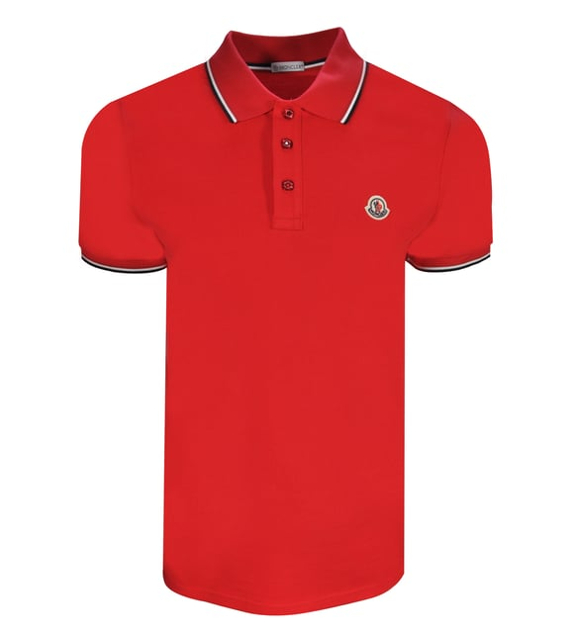

 |  |  |  |  |  |  |  |  | TOTAL | 3900

